USA PRO HAND WEIGHTS
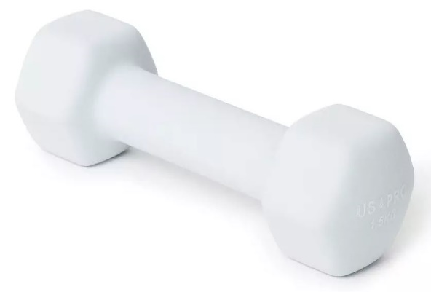
PALLET | BARCODE | ITEMS QTY ON PALLET | MARKED | ITEMS PER BOX | NUMBER OF BOXES | ITEM WEIGHT | PALLET WEIGHT | COMMENTS | Description | Colour | Size
23 | 76116990120 | 300 | uh | 20 | 15 | 1 | 300 | original supplier boxes | USA Pro Hand Weights 09 | Grey Multi | 1kg
24 | 76116990120 | 160 | uh | 20 | 8 | 1 |  | original supplier boxes | USA Pro Hand Weights 09 | Grey Multi | 1kg
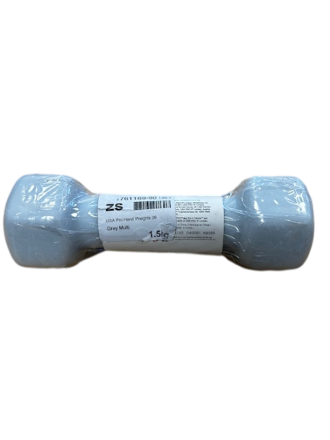
24 | 76116990120 | 60 | uh | 15 | 4 | 1 |  |  | USA Pro Hand Weights 09 | Grey Multi | 1kg
24 | 76116990120 | 10 | uh | 10 | 1 | 1 |  |  | USA Pro Hand Weights 09 | Grey Multi | 1kg
24 | 76116990120 | 7 | uh | 7 | 1 | 1 | 237 |  | USA Pro Hand Weights 09 | Grey Multi | 1kg
24 | 76116990120 | 160 | uh | 10 | 16 | 1 | 160 |  | USA Pro Hand Weights 09 | Grey Multi | 1kg
40 | 76116990120 | 10 | uh | 10 | 1 | 1 | 177 |  | USA Pro Hand Weights 09 | Grey Multi | 1kg
44 | 76116990120 | 30 | uh | 10 | 3 | 1 |  |  | USA Pro Hand Weights 09 | Grey Multi | 1kg
44 | 76116990120 | 32 | uh | 16 | 2 | 1 |  |  | USA Pro Hand Weights 09 | Grey Multi | 1kg | 1KG HAND WEIGHT
44 | 76116990120 | 3 | uh | 3 | 1 | 1 |  |  | USA Pro Hand Weights 09 | Grey Multi | 1kg
36 | 76116990120 | 72 | uh | 12 | 6 | 1 | 75 |  | USA Pro Hand Weights 09 | Grey Multi | 1kg
20 | 76116990130 | 192 | zs | 12 | 16 | 1.5 | 288 | original supplier boxes | USA Pro Hand Weights 09 | Grey Multi | 1.5kg
21 | 76116990130 | 192 | zs | 12 | 16 | 1.5 | 288 | original supplier boxes | USA Pro Hand Weights 09 | Grey Multi | 1.5kg
22 | 76116990130 | 192 | zs | 12 | 16 | 1.5 | 288 | original supplier boxes | USA Pro Hand Weights 09 | Grey Multi | 1.5kg
25 | 76116990130 | 39 | zs | 13 | 3 | 1.5 |  |  | USA Pro Hand Weights 09 | Grey Multi | 1.5kg
25 | 76116990130 | 20 | zs | 20 | 1 | 1.5 |  | original supplier boxes | USA Pro Hand Weights 09 | Grey Multi | 1.5kg
25 | 76116990130 | 20 | zs | 10 | 2 | 1.5 |  |  | USA Pro Hand Weights 09 | Grey Multi | 1.5kg
25 | 76116990130 | 8 | zs | 8 | 1 | 1.5 |  |  | USA Pro Hand Weights 09 | Grey Multi | 1.5kg | 1.5KG HAND WEIGHT
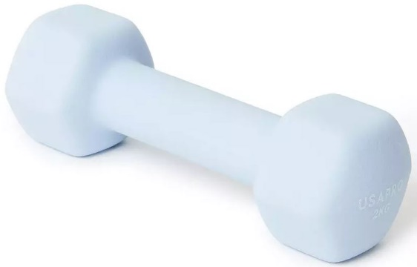
27 | 76116990130 | 96 | zs | 12 | 8 | 1.5 |  |  | USA Pro Hand Weights 09 | Grey Multi | 1.5kg
27 | 76116990130 | 32 | zs | 8 | 4 | 1.5 | 192 |  | USA Pro Hand Weights 09 | Grey Multi | 1.5kg
32 | 76116990130 | 128 | zs | 8 | 16 | 1.5 | 240 |  | USA Pro Hand Weights 09 | Grey Multi | 1.5kg
41 | 76116990130 | 32 | zs | 8 | 4 | 1.5 |  |  | USA Pro Hand Weights 09 | Grey Multi | 1.5kg
44 | 76116990130 | 1 | zs | 1 | 1 | 1.5 |  |  | USA Pro Hand Weights 09 | Grey Multi | 1.5kg
35 | 76116990130 | 128 | zs | 8 | 16 | 1.5 | 192 |  | USA Pro Hand Weights 09 | Grey Multi | 1.5kg
38 | 76116990130 | 56 | zs | 8 | 7 | 1.5 |  |  | USA Pro Hand Weights 09 | Grey Multi | 1.5kg
38 | 76116990130 | 5 | zs | 5 | 1 | 1.5 | 282.5 |  | USA Pro Hand Weights 09 | Grey Multi | 1.5kg
7 | 76116990140 | 10 | ym | 10 | 1 | 2 |  |  | USA Pro Hand Weights 09 | Grey Multi | 2kg | 2KG HAND WEIGHT
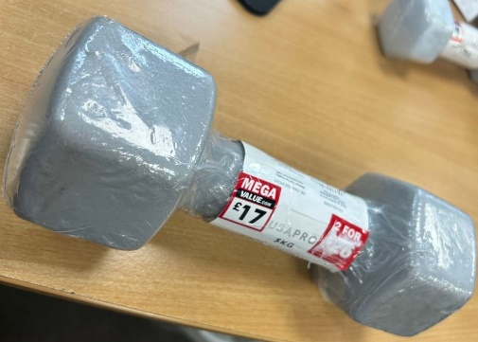
7 | 76116990140 | 11 | ym | 11 | 1 | 2 | 133.5 |  | USA Pro Hand Weights 09 | Grey Multi | 2kg
29 | 76116990140 | 40 | ym | 10 | 4 | 2 |  |  | USA Pro Hand Weights 09 | Grey Multi | 2kg
29 | 76116990140 | 66 | ym | 6 | 11 | 2 | 212 |  | USA Pro Hand Weights 09 | Grey Multi | 2kg
40 | 76116990140 | 84 | ym | 6 | 14 | 2 |  |  | USA Pro Hand Weights 09 | Grey Multi | 2kg
40 | 76116990140 | 4 | ym | 4 | 1 | 2 |  |  | USA Pro Hand Weights 09 | Grey Multi | 2kg
44 | 76116990140 | 1 | ym | 1 | 1 | 2 |  |  | USA Pro Hand Weights 09 | Grey Multi | 2kg
37 | 76116990140 | 60 | ym | 6 | 10 | 2 |  |  | USA Pro Hand Weights 09 | Grey Multi | 2kg
37 | 76116990140 | 4 | ym | 4 | 1 | 2 |  |  | USA Pro Hand Weights 09 | Grey Multi | 2kg
7 | 76116990150 | 15 | du | 5 | 3 | 2.5 |  |  | USA Pro Hand Weights 09 | Grey Multi | 2.5kg | 5KG HAND WEIGHT
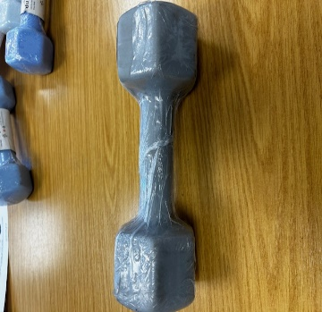
20 | 76116990150 | 35 | du | 5 | 7 | 2.5 |  |  | USA Pro Hand Weights 09 | Grey Multi | 2.5kg
20 | 76116990150 | 40 | du | 8 | 5 | 2.5 | 187.5 |  | USA Pro Hand Weights 09 | Grey Multi | 2.5kg
23 | 76116990150 | 80 | du | 8 | 10 | 2.5 |  |  | USA Pro Hand Weights 09 | Grey Multi | 2.5kg
23 | 76116990150 | 5 | du | 5 | 1 | 2.5 | 212.5 |  | USA Pro Hand Weights 09 | Grey Multi | 2.5kg
41 | 76116990150 | 40 | du | 5 | 8 | 2.5 |  |  | USA Pro Hand Weights 09 | Grey Multi | 2.5kg
41 | 76116990150 | 16 | du | 8 | 2 | 2.5 | 152.5 |  | USA Pro Hand Weights 09 | Grey Multi | 2.5kg
44 | 76116990150 | 2 | du | 2 | 1 | 2.5 |  |  | USA Pro Hand Weights 09 | Grey Multi | 2.5kg
34 | 76116990150 | 80 | du | 5 | 16 | 2.5 | 200 |  | USA Pro Hand Weights 09 | Grey Multi | 2.5kg
37 | 76116990150 | 20 | du | 5 | 4 | 2.5 | 255 |  | USA Pro Hand Weights 09 | Grey Multi | 2.5kg
8 | 76116990210 | 16 | ur | 2 | 8 | 5 |  |  | USA Pro Hand Weights 09 | Grey Multi | 5kg | 7.5 KG HAND WEIGHT
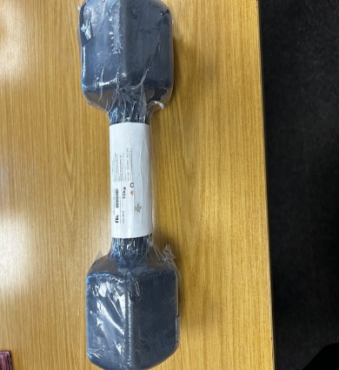
8 | 76116990210 | 40 | ur | 4 | 10 | 5 | 280 | original supplier boxes | USA Pro Hand Weights 09 | Grey Multi | 5kg
9 | 76116990210 | 32 | ur | 2 | 16 | 5 | 160 |  | USA Pro Hand Weights 09 | Grey Multi | 5kg
10 | 76116990210 | 32 | ur | 2 | 16 | 5 | 160 |  | USA Pro Hand Weights 09 | Grey Multi | 5kg
11 | 76116990210 | 32 | ur | 2 | 16 | 5 | 160 |  | USA Pro Hand Weights 09 | Grey Multi | 5kg
10 | 76116990210 | 32 | ur | 2 | 16 | 5 | 160 |  | USA Pro Hand Weights 09 | Grey Multi | 5kg
11 | 76116990210 | 32 | ur | 2 | 16 | 5 | 160 |  | USA Pro Hand Weights 09 | Grey Multi | 5kg
12 | 76116990210 | 32 | ur | 2 | 16 | 5 | 160 |  | USA Pro Hand Weights 09 | Grey Multi | 5kg
17 | 76116990210 | 32 | ur | 2 | 16 | 5 | 160 |  | USA Pro Hand Weights 09 | Grey Multi | 5kg
21 | 76116990210 | 32 | ur | 2 | 16 | 5 | 160 |  | USA Pro Hand Weights 09 | Grey Multi | 5kg
25 | 76116990210 | 32 | ur | 2 | 16 | 5 | 160 |  | USA Pro Hand Weights 09 | Grey Multi | 5kg | 10KG HAND WEIGHT
33 | 76116990210 | 32 | ur | 2 | 16 | 5 | 160 |  | USA Pro Hand Weights 09 | Grey Multi | 5kg
42 | 76116990210 | 16 | ur | 2 | 8 | 5 | 240 |  | USA Pro Hand Weights 09 | Grey Multi | 5kg
30 | 76116990210 | 32 | ur | 2 | 16 | 5 | 160 |  | USA Pro Hand Weights 09 | Grey Multi | 5kg
31 | 76116990210 | 32 | ur | 2 | 16 | 5 | 160 |  | USA Pro Hand Weights 09 | Grey Multi | 5kg
32 | 76116990210 | 32 | ur | 2 | 16 | 5 | 160 |  | USA Pro Hand Weights 09 | Grey Multi | 5kg
33 | 76116990210 | 26 | ur | 2 | 13 | 5 | 130 |  | USA Pro Hand Weights 09 | Grey Multi | 5kg
12 | 76116990310 | 36 | yl | 2 | 18 | 7.5 | 270 | original supplier boxes | USA Pro Hand Weights 09 | Grey Multi | 7.5kg
13 | 76116990310 | 36 | yl | 2 | 18 | 7.5 | 270 | original supplier boxes | USA Pro Hand Weights 09 | Grey Multi | 7.5kg
14 | 76116990310 | 32 | yl | 2 | 16 | 7.5 | 240 |  | USA Pro Hand Weights 09 | Grey Multi | 7.5kg
15 | 76116990310 | 32 | yl | 2 | 16 | 7.5 | 240 |  | USA Pro Hand Weights 09 | Grey Multi | 7.5kg
16 | 76116990310 | 32 | yl | 2 | 16 | 7.5 | 240 |  | USA Pro Hand Weights 09 | Grey Multi | 7.5kg
17 | 76116990310 | 32 | yl | 2 | 16 | 7.5 | 240 |  | USA Pro Hand Weights 09 | Grey Multi | 7.5kg
18 | 76116990310 | 32 | yl | 2 | 16 | 7.5 | 240 |  | USA Pro Hand Weights 09 | Grey Multi | 7.5kg
19 | 76116990310 | 32 | yl | 2 | 16 | 7.5 | 240 |  | USA Pro Hand Weights 09 | Grey Multi | 7.5kg
25 | 76116990310 | 18 | yl | 2 | 9 | 7.5 | 694 | 7 original supplier boxes | USA Pro Hand Weights 09 | Grey Multi | 7.5kg
4 | 76116990310 | 32 | yl | 2 | 16 | 7.5 | 240 |  | USA Pro Hand Weights 09 | Grey Multi | 7.5kg
5 | 76116990310 | 32 | yl | 2 | 16 | 7.5 | 240 |  | USA Pro Hand Weights 09 | Grey Multi | 7.5kg
6 | 76116990310 | 36 | yl | 2 | 18 | 7.5 | 270 | 2 original boxes | USA Pro Hand Weights 09 | Grey Multi | 7.5kg
7 | 76116990310 | 36 | yl | 2 | 18 | 7.5 | 270 | 2 original boxes | USA Pro Hand Weights 09 | Grey Multi | 7.5kg
8 | 76116990310 | 32 | yl | 2 | 16 | 7.5 | 240 |  | USA Pro Hand Weights 09 | Grey Multi | 7.5kg
9 | 76116990310 | 32 | yl | 2 | 16 | 7.5 | 240 |  | USA Pro Hand Weights 09 | Grey Multi | 7.5kg
13 | 76116990310 | 32 | yl | 2 | 16 | 7.5 | 240 |  | USA Pro Hand Weights 09 | Grey Multi | 7.5kg
14 | 76116990310 | 32 | yl | 2 | 16 | 7.5 | 240 |  | USA Pro Hand Weights 09 | Grey Multi | 7.5kg
15 | 76116990310 | 32 | yl | 2 | 16 | 7.5 | 240 |  | USA Pro Hand Weights 09 | Grey Multi | 7.5kg
16 | 76116990310 | 32 | yl | 2 | 16 | 7.5 | 240 |  | USA Pro Hand Weights 09 | Grey Multi | 7.5kg
18 | 76116990310 | 32 | yl | 2 | 16 | 7.5 | 240 |  | USA Pro Hand Weights 09 | Grey Multi | 7.5kg
22 | 76116990310 | 36 | yl | 2 | 18 | 7.5 | 270 | 2 original boxes | USA Pro Hand Weights 09 | Grey Multi | 7.5kg
26 | 76116990310 | 36 | yl | 2 | 18 | 7.5 | 270 | 2 original boxes | USA Pro Hand Weights 09 | Grey Multi | 7.5kg
30 | 76116990310 | 32 | yl | 2 | 16 | 7.5 | 240 |  | USA Pro Hand Weights 09 | Grey Multi | 7.5kg
42 | 76116990310 | 14 | yl | 2 | 7 | 7.5 |  |  | USA Pro Hand Weights 09 | Grey Multi | 7.5kg
18 | 76116990310 | 32 | yl | 2 | 16 | 7.5 | 240 |  | USA Pro Hand Weights 09 | Grey Multi | 7.5kg
19 | 76116990310 | 32 | yl | 2 | 16 | 7.5 | 240 |  | USA Pro Hand Weights 09 | Grey Multi | 7.5kg
20 | 76116990310 | 32 | yl | 2 | 16 | 7.5 | 240 |  | USA Pro Hand Weights 09 | Grey Multi | 7.5kg
21 | 76116990310 | 32 | yl | 2 | 16 | 7.5 | 240 |  | USA Pro Hand Weights 09 | Grey Multi | 7.5kg
22 | 76116990310 | 32 | yl | 2 | 16 | 7.5 | 240 |  | USA Pro Hand Weights 09 | Grey Multi | 7.5kg
23 | 76116990310 | 32 | yl | 2 | 16 | 7.5 | 240 |  | USA Pro Hand Weights 09 | Grey Multi | 7.5kg
24 | 76116990310 | 32 | yl | 2 | 16 | 7.5 | 240 |  | USA Pro Hand Weights 09 | Grey Multi | 7.5kg
25 | 76116990310 | 32 | yl | 2 | 16 | 7.5 | 240 |  | USA Pro Hand Weights 09 | Grey Multi | 7.5kg
26 | 76116990310 | 32 | yl | 2 | 16 | 7.5 | 240 |  | USA Pro Hand Weights 09 | Grey Multi | 7.5kg
27 | 76116990310 | 32 | yl | 2 | 16 | 7.5 | 240 |  | USA Pro Hand Weights 09 | Grey Multi | 7.5kg
28 | 76116990310 | 32 | yl | 2 | 16 | 7.5 | 240 |  | USA Pro Hand Weights 09 | Grey Multi | 7.5kg
29 | 76116990310 | 32 | yl | 2 | 16 | 7.5 | 240 |  | USA Pro Hand Weights 09 | Grey Multi | 7.5kg
38 | 76116990310 | 16 | yl | 2 | 8 | 7.5 |  |  | USA Pro Hand Weights 09 | Grey Multi | 7.5kg
1 | 76116990410 | 48 | fk | 2 | 24 | 10 | 480 |  | USA Pro Hand Weights 09 | Grey Multi | 10kg
2 | 76116990410 | 48 | fk | 2 | 24 | 10 | 480 |  | USA Pro Hand Weights 09 | Grey Multi | 10kg
3 | 76116990410 | 48 | fk | 2 | 24 | 10 | 480 |  | USA Pro Hand Weights 09 | Grey Multi | 10kg
4 | 76116990410 | 48 | fk | 2 | 24 | 10 | 480 |  | USA Pro Hand Weights 09 | Grey Multi | 10kg
5 | 76116990410 | 48 | fk | 2 | 24 | 10 | 480 |  | USA Pro Hand Weights 09 | Grey Multi | 10kg
6 | 76116990410 | 36 | fk | 2 | 18 | 10 | 360 |  | USA Pro Hand Weights 09 | Grey Multi | 10kg
7 | 76116990410 | 20 | fk | 2 | 10 | 10 |  | original supplier boxes | USA Pro Hand Weights 09 | Grey Multi | 10kg
1 | 76116990410 | 48 | fk | 2 | 24 | 10 | 480 |  | USA Pro Hand Weights 09 | Grey Multi | 10kg
2 | 76116990410 | 48 | fk | 2 | 24 | 10 | 480 |  | USA Pro Hand Weights 09 | Grey Multi | 10kg
3 | 76116990410 | 28 | fk |  | 17 | 10 | 280 |  | USA Pro Hand Weights 09 | Grey Multi | 10kg
19 | 76116990410 | 24 | fk | 1 | 24 | 10 | 240 |  | USA Pro Hand Weights 09 | Grey Multi | 10kg
28 | 76116990410 | 48 | fk | 2 | 24 | 10 | 480 |  | USA Pro Hand Weights 09 | Grey Multi | 10kg
31 | 76116990410 | 36 | fk | 2 | 18 | 10 |  |  | USA Pro Hand Weights 09 | Grey Multi | 10kg
31 | 76116990410 | 3 | fk | 1 | 3 | 10 | 390 |  | USA Pro Hand Weights 09 | Grey Multi | 10kg
34 | 76116990410 | 16 | fk | 1 | 16 | 10 | 160 |  | USA Pro Hand Weights 09 | Grey Multi | 10kg
35 | 76116990410 | 16 | fk | 1 | 16 | 10 | 160 |  | USA Pro Hand Weights 09 | Grey Multi | 10kg
36 | 76116990410 | 16 | fk | 1 | 16 | 10 | 160 |  | USA Pro Hand Weights 09 | Grey Multi | 10kg
37 | 76116990410 | 16 | fk | 1 | 16 | 10 | 160 |  | USA Pro Hand Weights 09 | Grey Multi | 10kg
38 | 76116990410 | 16 | fk | 1 | 16 | 10 | 160 |  | USA Pro Hand Weights 09 | Grey Multi | 10kg
39 | 76116990410 | 16 | fk | 1 | 16 | 10 | 160 |  | USA Pro Hand Weights 09 | Grey Multi | 10kg
43 | 76116990410 | 48 | fk | 2 | 24 | 10 | 480 |  | USA Pro Hand Weights 09 | Grey Multi | 10kg
44 | 76116990410 | 8 | fk | 1 | 8 | 10 |  |  | USA Pro Hand Weights 09 | Grey Multi | 10kg
1 | 76116990410 | 16 | fk | 1 | 16 | 10 | 160 |  | USA Pro Hand Weights 09 | Grey Multi | 10kg
2 | 76116990410 | 16 | fk | 1 | 16 | 10 | 160 |  | USA Pro Hand Weights 09 | Grey Multi | 10kg
3 | 76116990410 | 16 | fk | 1 | 16 | 10 | 160 |  | USA Pro Hand Weights 09 | Grey Multi | 10kg
4 | 76116990410 | 16 | fk | 1 | 16 | 10 | 160 |  | USA Pro Hand Weights 09 | Grey Multi | 10kg
5 | 76116990410 | 16 | fk | 1 | 16 | 10 | 160 |  | USA Pro Hand Weights 09 | Grey Multi | 10kg
6 | 76116990410 | 16 | fk | 1 | 16 | 10 | 160 |  | USA Pro Hand Weights 09 | Grey Multi | 10kg
...

